1. Title Page
Grocery Basket Analysis

Project Name: Grocery Basket Analysis
Date: 4/2/2025
Analyst Name: Ryan Wick

Contents:
Population Flow
Consistency checks
Wrangling steps
Column derivations
Visualizations
Recommendations

Data Source
“The Instacart Online Grocery Shopping Dataset 2017”, Accessed from www.instacart.com/datasets/grocery-shopping-2017 via Kaggle on 10.28.2024.

2. Population Flow
Title page

Population flow

Exclusion flag
Condition: max_order < 5
Obervations to be removed:
Final total count of order_products_all:

Orders_products_combined
Orders_products_merged
Orders_products_all

Total: 32404859
Total:32434489
Total: 32399732

1.) The grey boxes in the first row of the population flow represent the original data sets as they were when you downloaded them. In the Total fields you need to add the count of the rows when you imported the data set into Jupyter.
2.) The second row of boxes (coloured) represents the data sets after you manipulated them, e.g., removed missing values and duplicates. In the Total fields you need to add the count of the rows after conducting these operations. This offers a visual oveview of how the data flows throughout the data consistency checks.
3.) The third row, where also the arrows are coloured, represents the merges you performed between the datasets. In the Total fields you need to add the count of the rows in the merged datasets, so that you end up with the final dataset (in the red box). Keep in mind the final dataset should be without exclusions (based on the exclusion flag).

3. Consistency checks
 |  |  |  |  | Title page
Consistency checks

Dataset | Missing values | Missing values treatment | Duplicates | Duplicates treatment
orders | 206209 | Nothing, all of them were items before the actual first order. | None | N/A
products | 16 | Removed | 5 | Removed
orders_products_prior | None | N/A | None | N/A
customers | 11259 | They are all in the first_name column which doesn't affect the analysis so ignored. | None | N/A

4. Wrangling steps
 |  |  |  | Title page
Wrangling steps

Dataframe | Action | Command | Comment/Reason
Departments | Reset index | df_dep_t.reset_index() | Gets the index starting properly to the top of the dataset due to import issues.
Departments | Setup new Header | new_header = df_dep_t.iloc[0] | Get new header to have header names
Departments | Place headers | df_dep_t_new.columns = new_header | places headers properly
Orders | Column Drop | df_ords.drop(columns = ['eval_set']) | Drops column eval_set
Orders | Renaming Column | df_ords.rename(columns = {'order_dow' : 'orders_day_of_week'}, inplace = True) | Renames order_dow to orders_day_of_week
Orders | Change data type | df_ords['order_id'] = df_ords['order_id'].astype('str') | Change order_id to string
Orders | Change data type | df_ords['user_id'] = df_ords['user_id'].astype('str') | Change user_id to string
Products | Remove Duplicates | df_prods_clean_no_dups = df_prods_clean.drop_duplicates() | Remove Duplicates from product_name
Orders | Column Drop | df_ords_checked = df_ords.drop('Unnamed: 0', axis=1) | Mirrors what Index does
Ords_Prods | Merge Data | df_ords_prods_merge = df_ords_prods_combined.merge(df_prods_clean, on='product_id', indicator='match') | Merge data using Dask
Ords_Prods | Column Drop | df_ords_prods_merge.drop('_merge', axis = 1 ) | dropping the flag column '_merge' from the previous merge
Ords_Prods | Adding Flags | def price_label(row): if row['prices'] <= 5: return 'Low-range product' elif (row['prices'] > 5) and (row['prices'] <= 15): return 'Mid-range product' elif row['prices'] > 15: return 'High range' else: return 'Not enough data' | if else statement going through prices to mark them as low, mid, and high range
Ords_Prods | Create Column | df['price_range'] = df.apply(price_label, axis=1) | creates new column for the returned labels to be placed
Ords_Prods | Adding Flags | result = [] for value in df_ords_prods_merge["orders_day_of_week"]: if value == 0: result.append("Busiest day") elif value == 4: result.append("Least busy") else: result.append("Regularly busy") | For loop with if else statement to go through orders_day_of_week to mark them as busiest, least, and regularly
Ords_Prods | Adding Flags | result_step_4 = [] for value in df_ords_prods_merge["order_hour_of_day"]: if value in [10, 11, 14, 15, 13, 12, 16, 9]: result_step_4.append("Most orders") elif value in [23, 6, 0, 1, 5, 2, 4, 3]: result_step_4.append("Fewest orders") else: result_step_4.append("Average orders") | Generate empty list with for-loop to create labels for most, fewest, and average orders
Ords_Prods | Removing Outliers | df_ords_prods_merge_filtered = df_ords_prods_merge[df_ords_prods_merge['prices'] < 14900] | Removing severe outliers variables 14900 and 99999
Ords_Prods | Create Column | df_ords_prods_merge_filtered.loc[:, 'average_spend'] = df_ords_prods_merge_filtered.groupby(['user_id'])['prices'].transform('mean') | Generate average spending column
Ords_Prods | Adding Flags | df_ords_prods_merge_filtered.loc[df_ords_prods_merge_filtered.loc[:, 'average_spend']<10,'spender_flag']='Low_spender' | Assign less than 10 with Low_spender label
Ords_Prods |  | df_ords_prods_merge_filtered.loc[df_ords_prods_merge_filtered.loc[:, 'average_spend']>= 10, 'spender_flag'] = 'High_spender' | Assign more and equal to 10 with high_spender label
Ords_Prods | Create Column | df_ords_prods_merge_filtered.loc[:, 'customer_frequency'] = df_ords_prods_merge_filtered.groupby(['user_id'])['days_since_prior_order'].transform('median') | Generate customer frequency column
Ords_Prods | Adding Flags | df_ords_prods_merge_filtered.loc[df_ords_prods_merge_filtered.loc[:, 'customer_frequency'] > 20, 'frequency_flag'] = 'Non-frequent customer' | Assign above 20 with non-frequent label
Ords_Prods | Adding Flags | df_ords_prods_merge_filtered.loc[(df_ords_prods_merge_filtered.loc[:, 'customer_frequency'] > 10) & (df_ords_prods_merge_filtered['customer_frequency'] <=20), 'frequency_flag'] = 'Regular customer' | Assign above 10 & below and equal to 20 with regurlar label
Ords_Prods | Adding Flags | df_ords_prods_merge_filtered.loc[df_ords_prods_merge_filtered.loc[:, 'customer_frequency'] <= 10, 'frequency_flag'] = 'Frequent customer' | Assign less than 10 with frequent label
Customer | Renaming Column | df_custs.rename(columns = {'First Name' : 'first_name'}, inplace = True) | Rename First Name as first_name
Customer | Renaming Column | df_custs.rename(columns = {'Surnam' : 'last_name'}, inplace = True) | Rename Surnam as last_name
Customer | Renaming Column | df_custs.rename(columns = {'Gender' : 'gender'}, inplace = True) | Rename Gender as gender
Customer | Renaming Column | df_custs.rename(columns = {'STATE' : 'state'}, inplace = True) | Rename STATE as state
Customer | Renaming Column | df_custs.rename(columns = {'Age' : 'age'}, inplace = True) | Rename Age as age
Customer | Renaming Column | df_custs.rename(columns = {'fam_status' : 'marital_status'}, inplace = True) | Rename fam_status as marital_status
Customer | Change data type | df_custs['first_name'] = df_custs['first_name'].astype('str') | Convert mixed data to just string type
Ords_Prods | Drop Column | df_ords_prods_custs_merge = df_ords_prods_custs_merge.drop(columns=['_merge']) | Drop pervious merge column before merging with customer
Ords_Prods_Custs | Merge Data | df_ords_prods_custs_merge = df_ords_prods_custs_merge.merge(df_custs, on = 'user_id', indicator = True) | Combine Ords_Prods with Customers dataframe to get a completely combined dataframe

5. Column derivations
 |  |  |  | Title page

Column derivations and aggregations

Dataset | New column | Column/s it was derived from | Conditions
df_ords_prods_merge | _merge | two datasets | shows merge results
df_ords_prods_merge | price_label | prices | ~ < 5: Low range ~ 5 to 15: Mid-range ~ > 15: High range
df_ords_prods_merge | busiest_day | order_day_of_week | ~ Busiest days: order_day_of_week is 0 or 1 ~ Least busy days: order_day_of_week is 4 or 5 ~ Regularly busy: All other days
df_ords_prods_merge | busiest_period_of_day | order_hour_of_day | ~ 10 to 16: Most orders ~ < 8 or > 20: Fewest orders ~ Everything else: Average
df_ords_prods_merge | spender_flag | prices | ~ < 10: Low Spender ~ >= 10: High Spender
df_ords_prods_merge | order_frequency_flag | days_since_prior_order | ~ > 20: Non-Frequent Customer ~ 10 to 20: Regular Customer ~ <= 10: Frequent Customer
df_ords_prods_custs_merge | _merge | two datasets | shows merge results

Column derivations and aggregations
Column derivations and aggregations
Column derivations and aggregations

6. Visualizations
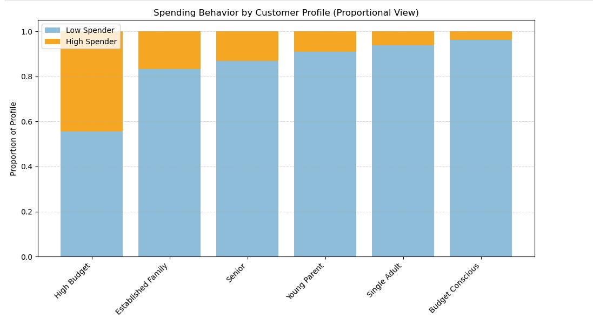
 | Title page

Visualisations

In this tab you should include all the visualtions from Exercises 4.9 and 4.10, alongside the questions from the project brief that they answer. Include any commentary on the relationship between different variables.

The sales team needs to know what the busiest days of the week and hours of the day are (i.e., the days and times with the most orders) in order to schedule ads at times when there are fewer orders
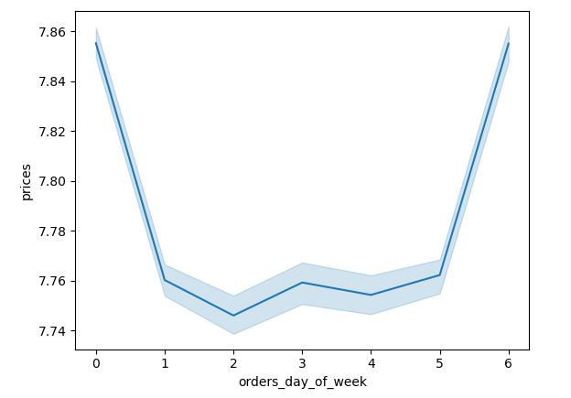

They also want to know whether there are particular times of the day when people spend the most money, as this might inform the type of products they advertise at these times.
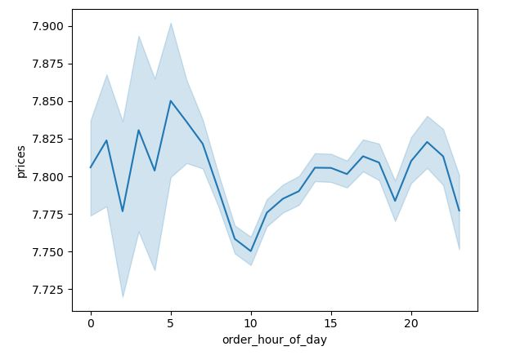
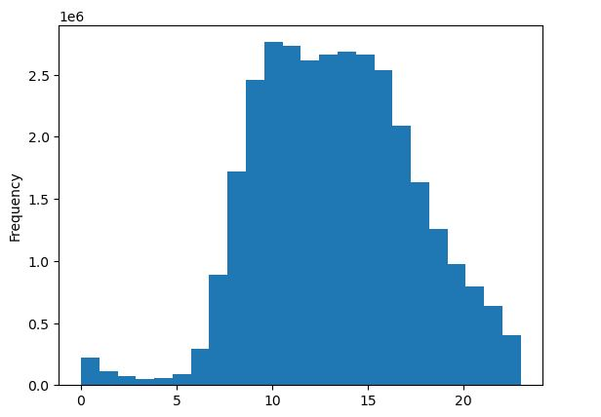

Instacart has a lot of products with different price tags. Marketing and sales want to use simpler price range groupings to help direct their efforts.
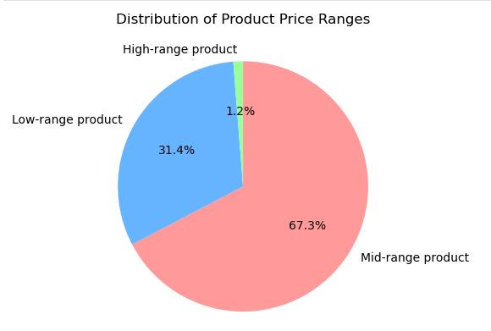

Are there certain types of products that are more popular than others? The marketing and sales teams want to know which departments have the highest frequency of product orders.
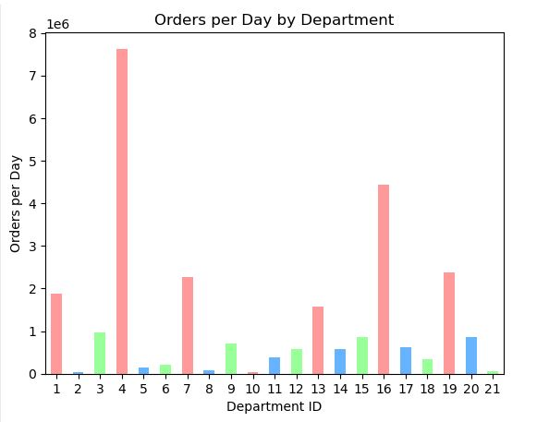

What’s the distribution among users in regards to their brand loyalty (i.e., how often do they return to Instacart)?
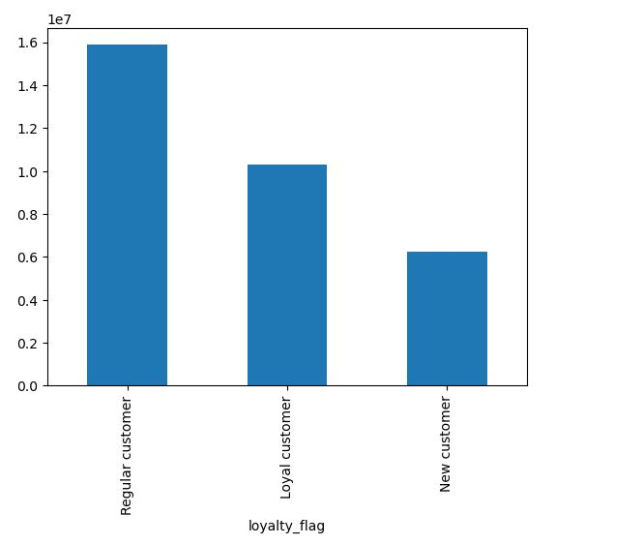

Are there differences in ordering habits based on a customer’s region?
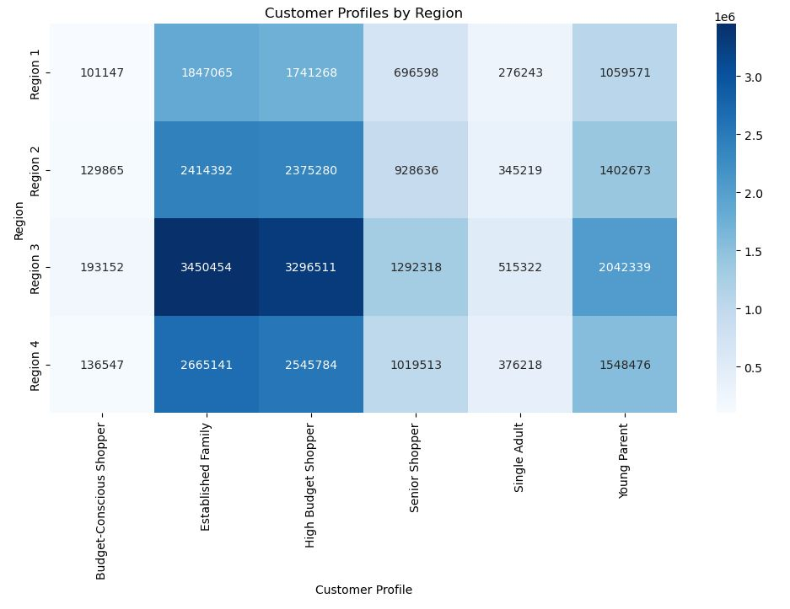

Are there differences in ordering habits based on a customer’s loyalty status?
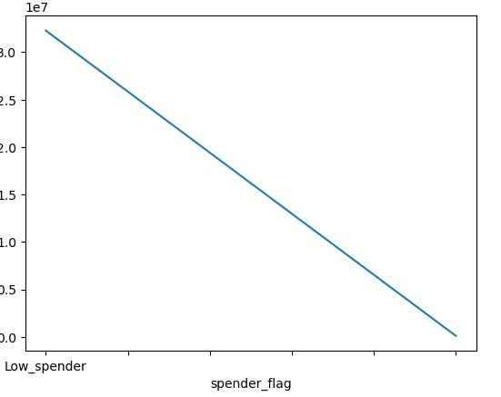

Is there a connection between age and family status in terms of ordering habits?
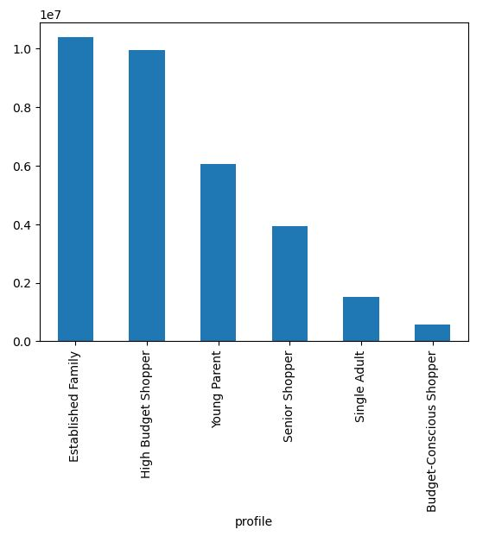

What different classifications does the demographic information suggest? Age? Income? Certain types of goods? Family status?
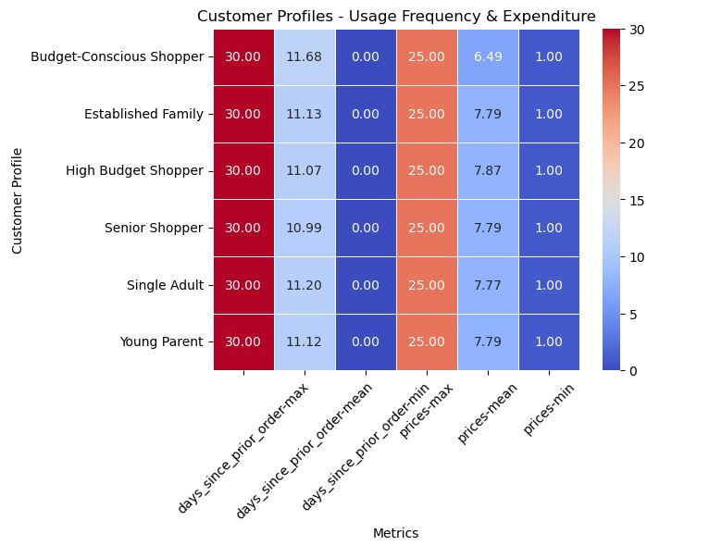

What differences can you find in ordering habits of different customer profiles? Consider the price of orders, the frequency of orders, the products customers are ordering, and anything else you can think of

7. Recommendations
 |  | Title page

Recommendations

In this tab you should include any recommendations you would made to Instcart in terms of their marketing strategy based on the questions posed in the brief. Every key question has been covered in the Tasks of the Exercises - here you need to add an item - a visualisation or table/crosstable that is showing the answer in the data, acompanied by a comment from you. Please, list the questions below and add the answer underneath.

Question | Answer
Key Question 1
Key Question 2
Key Question 3
Key Question 4
Key Question 5
Key Question 6
Key Question 7
The sales team needs to know what the busiest days of the week and hours of the day are (i.e., the days and times with the most orders) in order to schedule ads at times when there are fewer orders
Recommendation
To maximize ad effectiveness, schedule ads during less busy times like midweek and late-night hours, as Saturday and Sunday are the busiest days with peak orders between 9 AM and 4 PM.

They also want to know whether there are particular times of the day when people spend the most money, as this might inform the type of products they advertise at these times.
Recommendation
People spend the most money around 4 AM and 9 PM, so mareketing should consider advertising high-value products during these times.

Instacart has a lot of products with different price tags. Marketing and sales want to use simpler price range groupings to help direct their efforts.
Recommendation
Marketing and sales should focus on mid-range products, which make up 67.3% of the distribution, to effectively direct their efforts.

Are there certain types of products that are more popular than others? The marketing and sales teams want to know which departments have the highest frequency of product orders.
Recommendation
The departments with the highest frequency of product orders are Produce, Dairy/Eggs, and Snacks.

What’s the distribution among users in regards to their brand loyalty (i.e., how often do they return to Instacart)?
Recommendation
50% of Instacart customers are regular, 31.25% are loyal, and 18.75% are new customers.

Are there differences in ordering habits based on a customer’s region?
Recommendation
Region 3, with established families and high-budget shoppers, spends the most, while Region 1 spends the least, suggesting targeted advertising and promotions in lower-spending regions could boost sales.

Are there differences in ordering habits based on a customer’s loyalty status?
Recommendation
Low spenders make up the highest volume of shoppers across all loyalty categories, suggesting that targeted promotions and loyalty rewards for non-frequent customers could drive higher engagement and retention.

Is there a connection between age and family status in terms of ordering habits?
Recommendation
Established families and high-budget shoppers spend the most, while budget-conscious shoppers spend the least,
indicating that targeted promotions for family-sized packages and bulk deals could enhance sales among high-spending profiles.

What different classifications does the demographic information suggest? Age? Income? Certain types of goods? Family status?
Recommendation
Demographic information suggests targeting premium products to older, higher-income customers (40+),
while promoting budget-friendly options to younger users and focusing ads on Senior Shoppers, Single Adults, and Young Parents who spend the least.

What differences can you find in ordering habits of different customer profiles? Consider the price of orders, the frequency of orders, the products customers are ordering, and anything else you can think of
Recommendation
Established families and high-budget shoppers are the most active, while budget-conscious shoppers and single adults spend the least,
suggesting targeted promotions for low spenders and focusing on family-oriented products could enhance engagement and sales.

